Intro & TOC
THE MARKETING GROWTH HACKATHON
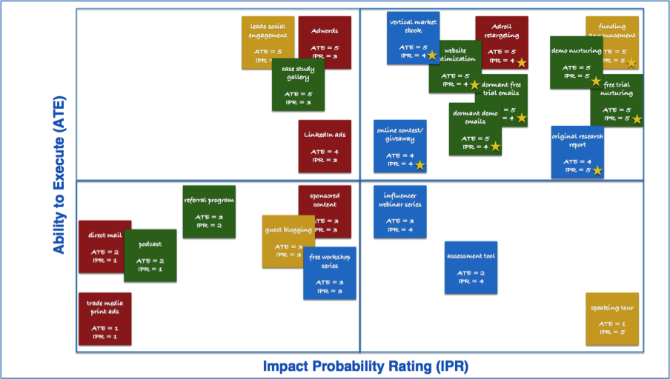

 | Event-Prep Toolkit
 | Computer programmers hold hackathons to quickly build and improve software, so why can’t marketers do the same to unlock potential and drive performance? The marketing growth hackathon is a strategic planning model born from three simple questions: ➤ What if we could accelerate success? ➤ What if we could transform marketing performance in 30, 60, 90 days? ➤ What if we could spend less time planning, and more time doing? We define a marketing hackathon as an interactive event in which marketers, executives and/or entrepreneurs come together to solve business growth challenges. Hackathons are designed to be executed as workshops in as little as one hour, and ideally no longer than a full day. The key is to gather a group of creative people with shared interests who want to collaborate, and learn from each other (e.g. internal marketing team, executive team, chamber of commerce, trade organizations, non-profit boards). The idea is to take one SMART goal (e.g. generate 100 sales qualified leads in Q4) and come away from the workshop with a minimum of three campaign ideas that can be activated within 30 days and fully executed within 90 days. A key differentiator to the model from traditional brainstorms is that every campaign concept is identified visually as paid, owned, earned or integrated; and then rated (1-5) and charted based on two variables:

 | ➤ Ability to Execute (ATE): Ability to execute on a campaign concept based on the available tech, team, time and budget. ➤ Impact Probability Rating (IPR): The probability that the campaign concept will impact the organization’s ability to reach its goal.
 | In this workbook, we offer the complementary tools and templates needed for you to get started, including: ➤ Audiences: Define and segment your owned and borrowed audiences in this tab. ➤ Buyer persona checklist: This tab will provide you with recommended questions and research to help you develop a deep understanding of your audience personas. ➤ Accelerator: Identify assets that can be leveraged to accelerate success and fuel marketing campaigns. Accelerators can be organized by status (opportunity, active), priority (high, medium, low), and type. ➤ Milestones: List all company and industry events that may be relevant to the planning process, such as company announcements, conferences, industry report releases, product launches and speaking appearances. ➤ Campaigns: Document all campaign ideas, and sort them by Ability to Execute and Impact Probability Rating.
 | Learn more about the marketing growth hackathon.

 | © 2015 by PR 20/20

